HVAC

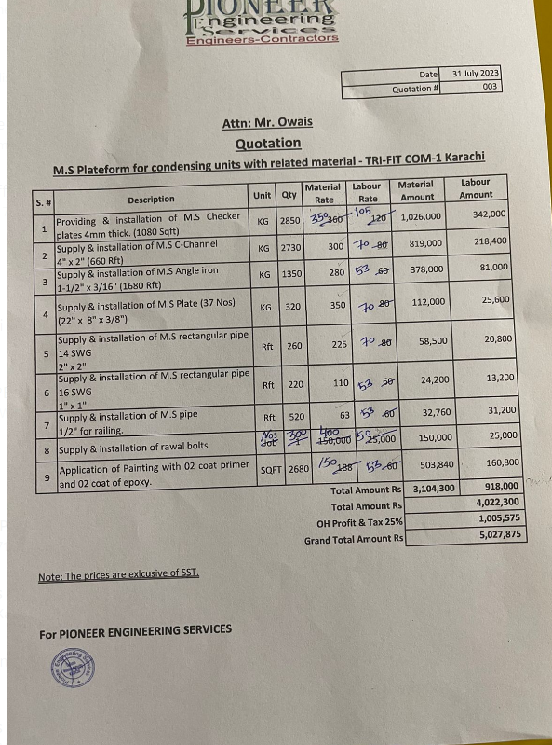

 |  |  |  |  | Date |  | 31 July 2023
 |  |  |  |  | Quotation # |  | 003

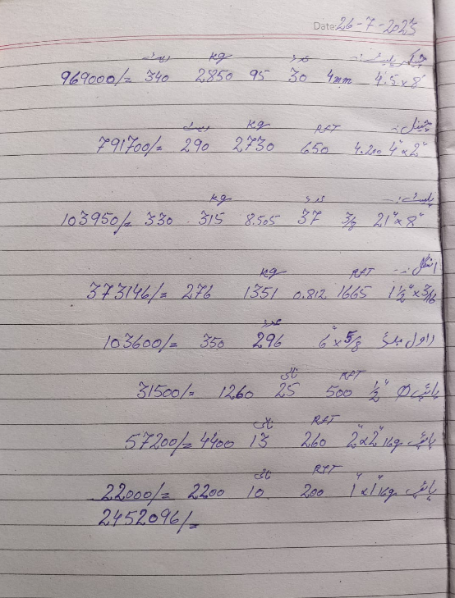
Attn: Mr. Khawaja Raisuddin

Quotation
M.S Plateform for condensing units with related material - TRI-FIT COM-1 Karachi

S. # | Description | Unit | Qty | Material Rate | Labour Rate | Material Amount | Labour Amount
1 | Providing & installation of M.S Checker plates 4mm thick. (1080 Sqft) | KG | 2850 | 350 | 105 | 997,500 | 299,250
2 | Supply & installation of M.S C-Channel 4" x 2" (660 Rft) | KG | 2730 | 300 | 70 | 819,000 | 191,100
3 | Supply & installation of M.S Angle iron 1-1/2" x 3/16" (1680 Rft) | KG | 1350 | 280 | 53 | 378,000 | 71,550
4 | Supply & installation of M.S Plate (37 Nos) (22" x 8" x 3/8") | KG | 320 | 350 | 70 | 112,000 | 22,400
5 | Supply & installation of M.S rectangular pipe 14 SWG 2" x 2" | Rft | 260 | 225 | 70 | 58,500 | 18,200
6 | Supply & installation of M.S rectangular pipe 16 SWG 1" x 1" | Rft | 220 | 110 | 53 | 24,200 | 11,660
7 | Supply & installation of M.S pipe 1/2" for railing. | Rft | 520 | 63 | 53 | 32,760 | 27,560
8 | Supply & installation of rawal bolts | Nos | 300 | 400 | 50 | 120,000 | 15,000
9 | Application of Painting with 02 coat primer and 02 coat of epoxy. | SQFT | 2680 | 150 | 53 | 402,000 | 142,040
Sub - Total Amount Rs |  |  |  |  |  | 2,943,960 | 798,760
Total Amount Rs |  |  |  |  |  | 3,742,720
Sub-Contractor Margin 10% |  |  |  |  |  | 374,272
Grand Total Amount Rs |  |  |  |  |  | 4,116,992
Note: Please add your Overhead & Profit

Terms & Conditions: 1) Above prices are exclusive of SST 2) Scaffolding included for installation of Platform.

For PIONEER ENGINEERING SERVICES

